Sales Invoice
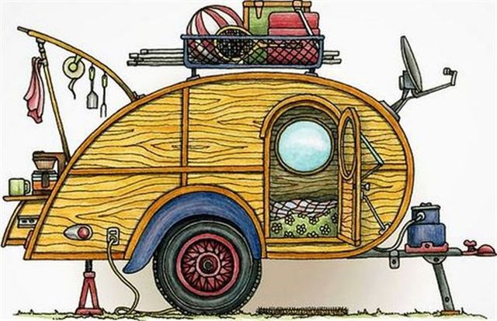

 |  | Tonia & Kevin Hollis
 |  | dba Stitches on the Road
 |  | 2309 16th Ave NW
 |  | Aberdeen, SD 57401
 |  | 605-216-4804
 |  | stitchesontheroad@gmail.com
Name:
Address: |  |  |  |  |  |  |  |  | Please Pre Order by April 1, 2020
City: |  |  |  |  |  |  |  |  | For Pickup At Rally
State: |  |  |  |  | Zip: |  |  |  | Limited availability at the Rally
E-mail:
Phone:




Back Logo |  |  | Front Left Chest |  |  |  |  |  |  |  | Sleeve

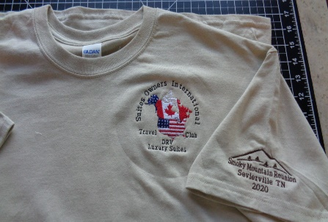 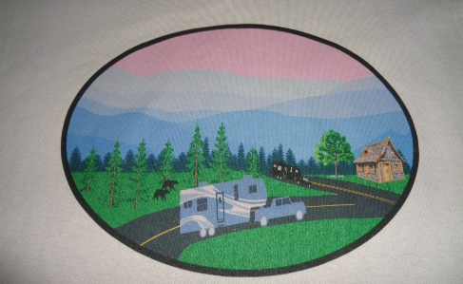 |  |  | T- Shirt Sand Gildan G2000 6 oz 100% Cotton Preshrunk Jersey Knit
 |  | Size | S | M | L | XL | 2XL | 3XL | 4XL | 5XL
 |  | Cost | $18.00 |  |  |  | $21.00
 |  | Quantity
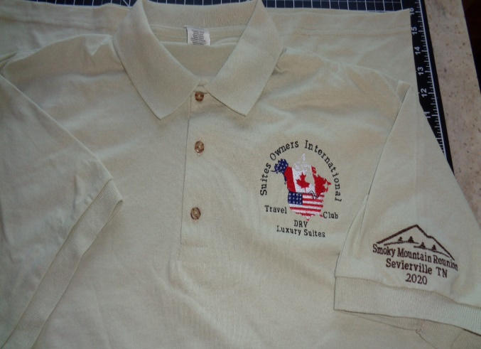 |  |  | Polo Shirt Sand 50/50 Cotton/Polly G 880
 |  | Size | S | M | L | XL | 2XL | 3XL | 4XL | 5XL
 |  | Cost | $21.00 |  |  |  | $24.00
 |  | Quantity
 |  | W/ Smoky Mountain Reunion Logo Rear of Shirt
 |  | Size
 |  | Cost | $24.00 |  |  |  | $27.00
A 3% charge will be added to Credit Card & Pay Pal Invoice Payments |  |  |  |  |  |  |  |  |  |  |  | -
Credit Card # |  |  |  |  |  |  | CVC |  |  | Tennessee Tax 9.75% (Required) |  | $-
Expiration Date |  |  |  |  |  |  | Billing Zip |  |  | Credit Card-PayPal 3% Fee
Name On Card
 |  |  |  |  |  |  |  |  |  | Balance Due |  | -

Invoice to you thru PayPal (Check Box) |  |  |  |  |  |  | Email Address & Phone Required
Credit Card Payment (Check Box)
By Check: Make Checks Payable To: |  | Stitches On The Road
 | Mail To: | 2309 16th Ave NW
 |  | Aberdeen, SD 57401
THANK YOU FOR YOUR BUSINESS!

